Campaign overview
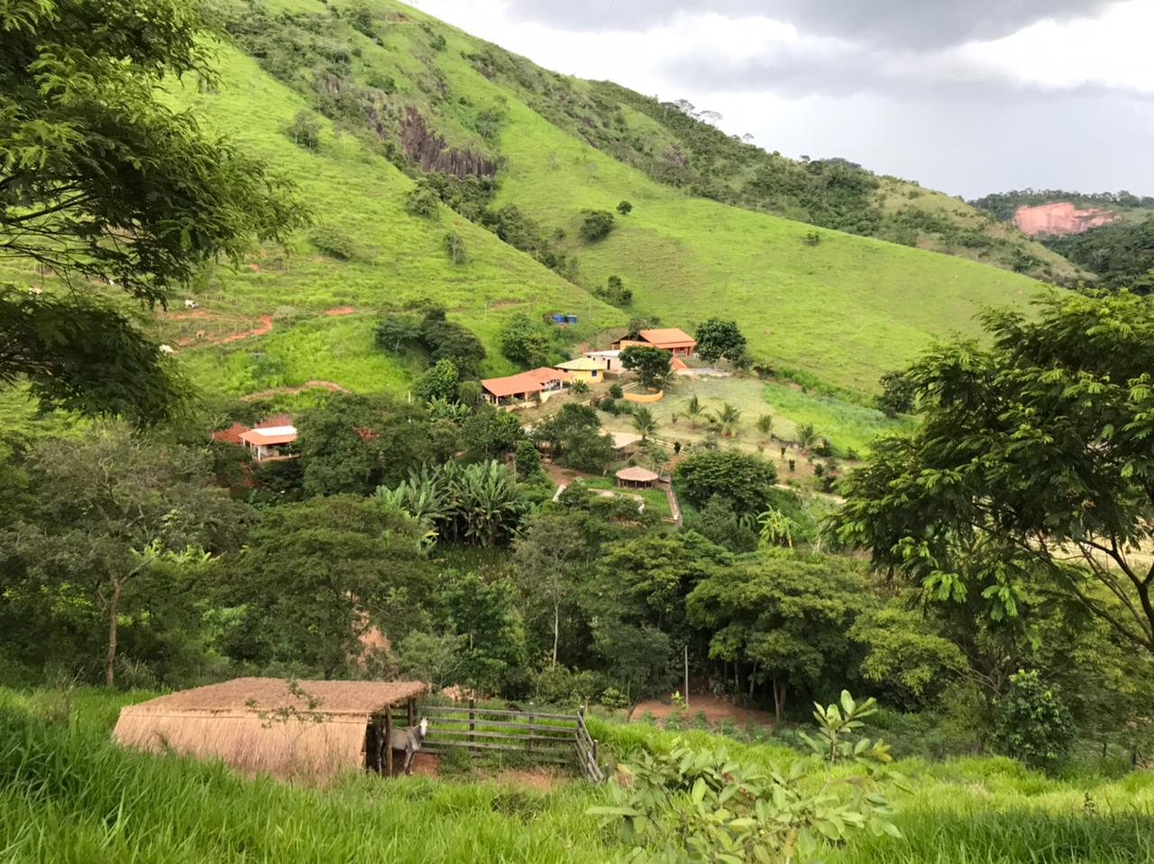
SOLIDARITY CAMPAIGN 2021 - ECO SOCIAL CENTER VILA DOS SONHOS

SOLIDARITY HOUSE | R$ | £ | % | ECO KITCHEN / REFECTORY | R$ | £ | % | ECOLOGY / GREEN | R$ | £ | %

Infrastructure | 14476.00 | 1930.13 | 20 | Infrastructure | 2204.00 | 293.87 | 7 | Trees | 10000.00 | 1333.33 | 42
Wood material | 11325.00 | 1510.00 | 15 | Windows / glass / door | 6500.00 | 866.67 | 20 | Grass | 7575.00 | 1010.00 | 32
Coating / lining / Roof | 11555.00 | 1540.67 | 15 | Coating / lining / tiling | 6587.33 | 878.31 | 20 | Labour | 6000.00 | 800.00 | 25
Plumbing / toilet facilities | 3500.00 | 466.67 | 5 | Plumbing / kitchen equipment | 5200.00 | 693.33 | 16 | Total | 23575.00 | 3143.33 | 100
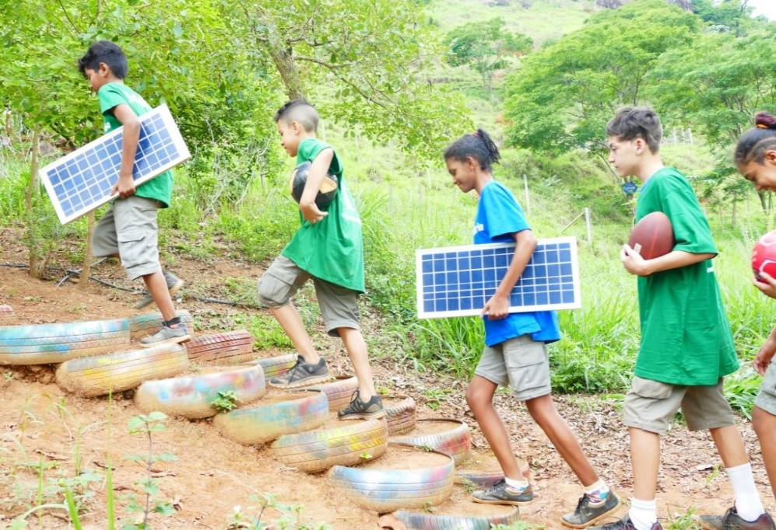
Kitchen appliances | 2170 | 289.33 | 3 | Kitchen appliances | 6000.00 | 800.00 | 19
Labour | 31560 | 4208.00 | 42 | Labour | 5850.00 | 780.00 | 18
Total | 74586.00 | 9944.80 | 100 | Total | 32341.33 | 4312.18 | 100

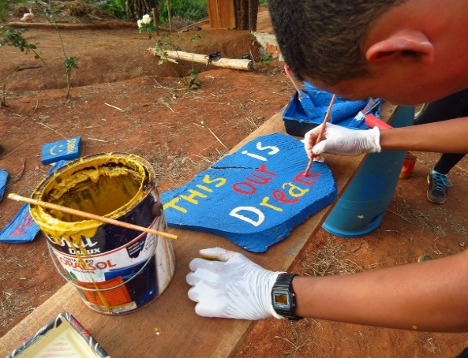

CAMPAIGN | R$ | £ | %

SOLIDARITY HOUSE | 74586.00 | 9944.80 | 57

ECO KITCHEN / REFECTORY | 32341.33 | 4312.18 | 25

ECOLOGY / GREEN | 23575.00 | 3143.33 | 18

TOTAL | 130502.33 | 17400.31 | 100

Solidarity House


SOLIDARITY CAMPAIGN 2021 - ECO SOCIAL CENTER VILA DOS SONHOS

SOLIDARITY HOUSE | R$ |  |  | £ | PROJECT PLANT
 | Quantity | Price | Total | Total

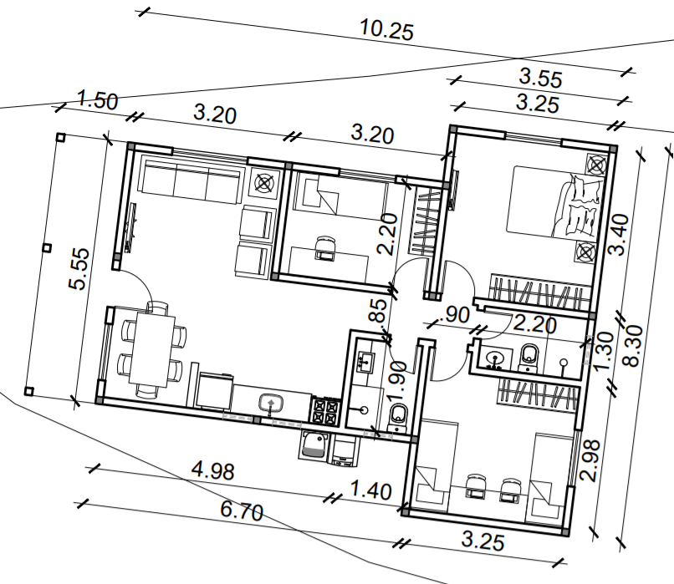
Infrastructure
Bricks | 1000 | 1.18 | 1176.00 | 156.80
Cement | 150 | 30.00 | 4500.00 | 600.00
Rebar | 50 | 50.00 | 2500.00 | 333.33
Column | 30 | 130.00 | 3900.00 | 520.00
Nail, screw, etc... | 500 | 1.00 | 500.00 | 66.67
Aggregate (m3) | 10 | 100.00 | 1000.00 | 133.33
Sand (m3) | 10 | 90.00 | 900.00 | 120.00
Sub total 1 |  |  | 14476.00 | 1930.13

Wood material
Main door | 1 | 600.00 | 600.00 | 80.00
Inside door | 5 | 400.00 | 2000.00 | 266.67
Window | 5 | 800.00 | 4000.00 | 533.33
Small window | 4 | 300.00 | 1200.00 | 160.00
Wood | 1 | 3000.00 | 3000.00 | 400.00
Wood boards | 15 | 35.00 | 525.00 | 70.00
Sub total 2 |  |  | 11325.00 | 1510.00

Coating / lining / Roof
Mortar, grout, etc. | 150 | 10.00 | 1500.00 | 200.00
Ceramic tiles | 500 | 2.11 | 1055.00 | 140.67
Roof | 90 | 60.00 | 5400.00 | 720.00
Tiles | 90 | 40.00 | 3600.00 | 480.00
Sub total 3 |  |  | 11555.00 | 1540.67

Plumbing / toilet facilities
Pipes, tubes, drains, etc. | 1 | 1500 | 1500.00 | 200.00
Shower | 2 | 100 | 200.00 | 26.67
Toilet | 2 | 250 | 500.00 | 66.67
Sink | 2 | 150 | 300.00 | 40.00
Faucets, metal, lock, doorknob | 1 | 1000 | 1000.00 | 133.33
Sub total 4 |  |  | 3500.00 | 466.67

Kitchen appliances
Electric cable 2,5 cm | 300 | 2.00 | 600.00 | 80.00
Outlets, switches | 30 | 15.00 | 450.00 | 60.00
Lamps and mouthpieces | 10 | 12.00 | 120.00 | 16.00 | Objectives: 1. To host volunteers / teachers which are fundamental in develpoing activities at Vila dos Sonhos and community 2. Strenghten our social projects 3. Improve and expand international connections 4. Serve and welcome our students, residents and visitors providing a relaxing environment 5. Planned and developed to create a direct connection with the environment
Ventilator | 4 | 250.00 | 1000.00 | 133.33
Sub total 5 |  |  | 2170.00 | 289.33

Labor
Builder | 3875 | 4 | 15500 | 2066.67
Assistant builder | 1875 | 4 | 7500 | 1000.00
Assistant builder 2 | 1750 | 4 | 7000 | 933.33
Painter | 1560 | 1 | 1560 | 208.00
Sub total 6 |  |  | 31560 | 4208.00

Total |  |  | 74586.00 | 9944.80

Kitchen Refectory


SOLIDARITY CAMPAIGN 2021 - ECO SOCIAL CENTER VILA DOS SONHOS

ECO KITCHEN / REFECTORY | R$ |  |  | £ | PROJECT PLANT
 | Quantity | Price | Total | Total
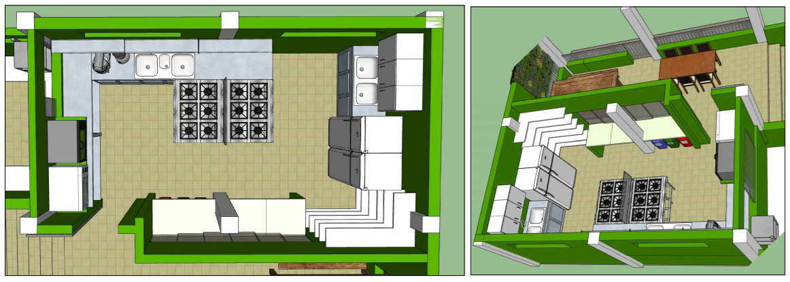
Infrastructure
Bricks | 250 | 1.18 | 294.00 | 39.20
Cement | 10 | 30.00 | 300.00 | 40.00
Hardware / rebar | 8 | 50.00 | 400.00 | 53.33
Column | 6 | 130.00 | 780.00 | 104.00
Nail, screw, etc... | 1 | 150.00 | 150.00 | 20.00
Aggregate (m3) | 1 | 100.00 | 100.00 | 13.33
Sand (m3) | 2 | 90.00 | 180.00 | 24.00
Sub total 1 |  |  | 2204.00 | 293.87

Windows / glass / door
Tempered glass window 1,10 x 1,20 m | 1 | 650.00 | 650.00 | 86.67
Tempered glass window 1,10 x 1,50 m | 1 | 880.00 | 880.00 | 117.33
Tempered glass window 1,10 x 1,80 m | 1 | 750.00 | 750.00 | 100.00
Tumbler tempered glass 0,40 x 1,00 m | 1 | 250.00 | 250.00 | 33.33
Tumbler tempered glass 0,40 x 2,00 m | 1 | 820.00 | 820.00 | 109.33
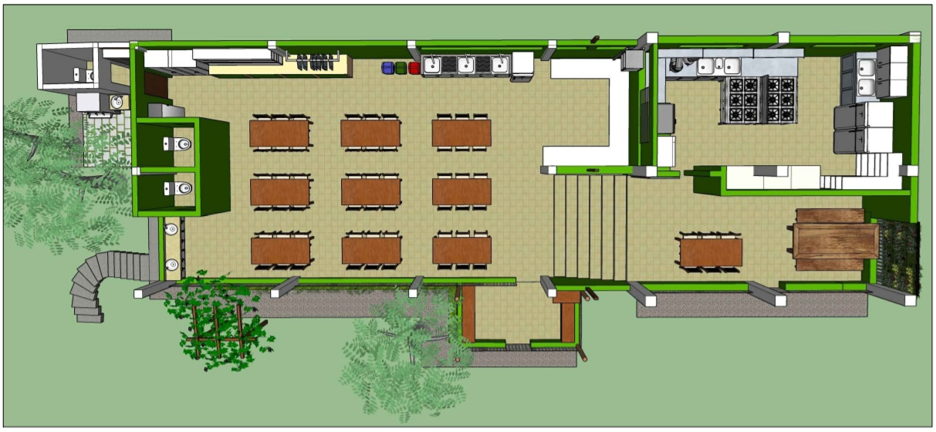
Tumbler tempered glass 0,40 x 3,60 m | 1 | 600.00 | 600.00 | 80.00
Triangular tempered glass window 0,90 x 2,10 m | 2 | 825.00 | 1650.00 | 220.00
Aluminum door | 1 | 900.00 | 900.00 | 120.00
Sub total 2 |  |  | 6500.00 | 866.67

Coating / lining / tiling
Ceramic tiles | 300 | 2.11 | 633.00 | 84.40
Floor Tiles | 25.52 | 33.9 | 865.13 | 115.35
Wall Tiles | 90 | 40 | 3600.00 | 480.00
Mortar, grout, etc... | 50 | 10 | 500.00 | 66.67
White pvc lining | 24 | 34.9 | 837.60 | 111.68
White pvc finish | 4 | 37.9 | 151.60 | 20.21
Sub total 3 |  |  | 6587.33 | 878.31

Plumbing / Kitchen Equipment
Pipes, tubes, drains, etc. | 1 | 200 | 200.00 | 26.67
Kitchen sink | 2 | 1250 | 2500.00 | 333.33
stainless steel bench | 2 | 1000 | 2000.00 | 266.67
Faucets, filters | 5 | 100 | 500.00 | 66.67
Sub total 4 |  |  | 5200.00 | 693.33

Kitchen appliances |  |  |  |  | Objectives: 1. Develop the Kitchen / refectory areas so we can provide for increased numbers of children, young people, volunteers and guests. 2. Educational / recreational space connecting our local food production with healthy food preparation 3. To be able to deliver courses, prepare food (specifications approved by the health survaillance authority) 4. Serve and welcome our students, residents and visitors providing a comfortable and relaxed environment 5. Planned and developed to promote a connection with the local environment
Refrigerator 431 l | 1 | 3000 | 3000 | 400.00
Frezeer 228 l | 1 | 3000 | 3000 | 400.00
Sub total 5 |  |  | 6000 | 800.00

Labor
Builder | 130 | 30 | 3900 | 520.00
Assistant builder | 65 | 30 | 1950 | 260.00
Sub total 6 |  |  | 5850 | 780.00

Total |  |  | 32341.33 | 4312.18

Ecology Green


SOLIDARITY CAMPAIGN 2021 - ECO SOCIAL CENTER VILA DOS SONHOS

ECOLOGY / GREEN | R$ |  |  | £ | PROJECT PICTURES
 | Quantity | Price | Total | Total
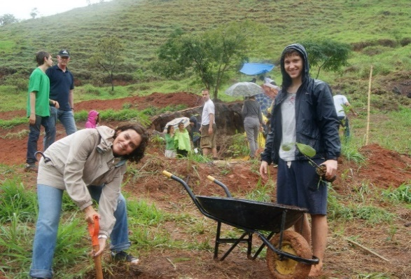
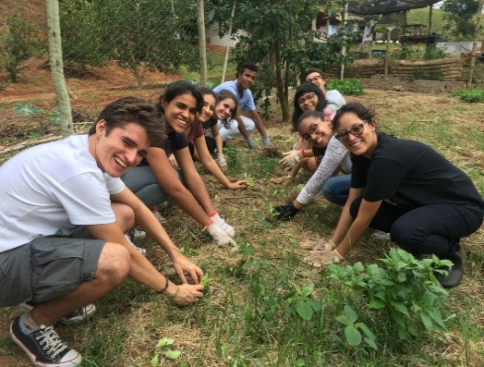
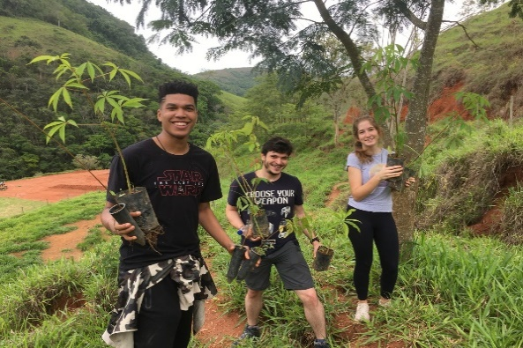
Trees
Fruit trees / Agro forest | 200 | 20.00 | 4000.00 | 533.33
Native trees / Reforestation | 300 | 20.00 | 6000.00 | 800.00
Sub total 1 |  |  | 10000.00 | 1333.33

Tools / materials / Grass
Grass: Hillside protection / educational areas / built | 350 | 8.50 | 2975.00 | 396.67
Fence post | 150 | 10.00 | 1500.00 | 200.00
Barbed wire | 4 | 350.00 | 1400.00 | 186.67
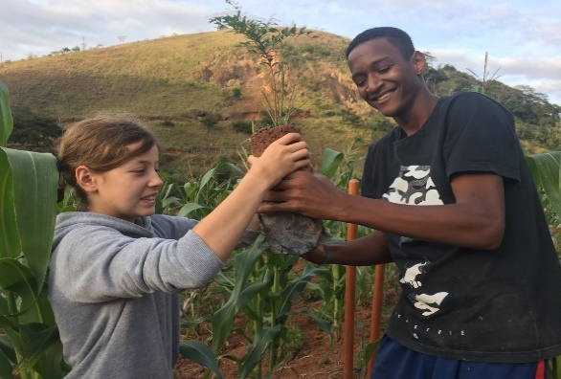
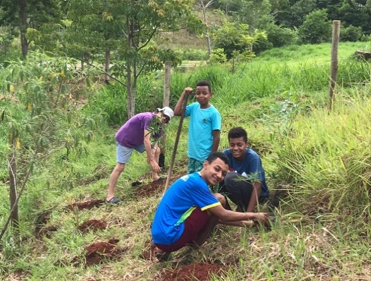
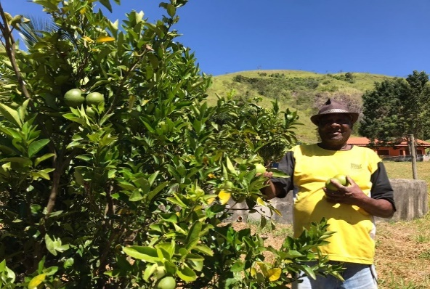
Tools | 10 | 70.00 | 700.00 | 93.33
Materials (maintenance) | 1 | 1000.00 | 1000.00 | 133.33
Sub total 2 |  |  | 7575.00 | 1010.00

Labor
Maintenance | 12 | 500 | 6000.00 | 800.00
Sub total 3 |  |  | 6000.00 | 800.00

Total |  |  | 23575.00 | 3143.33
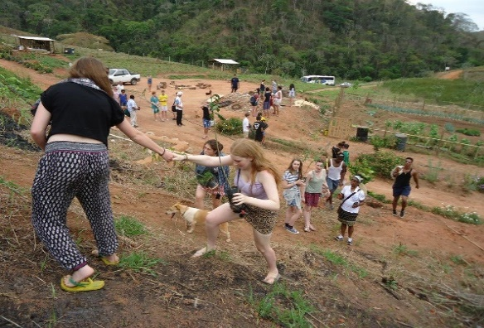
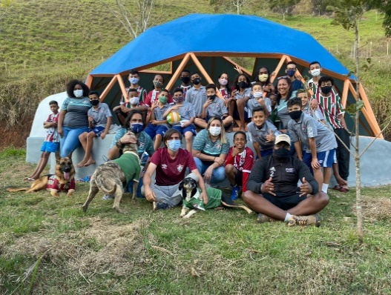
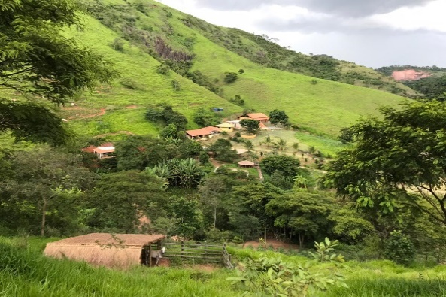

Objectives:
1. Reforestation
2. Protect natural springs
3. Preserve tropical forest fauna and Flora
4. Practial Environmental education to children, young people and community
5. Give and spresd positive examples to the planet / Inspire more people

